Sheet1
Telematics Company | Main Features | Average Starting Cost (Per Vehicle) | This document is provided to Dealer Partners of One Nexus only and should not be shared.
Samsara | AI-powered sensors, voice coaching | $27.50
Verizon Connect | Lane departure warnings, collision alerts | $23.50 | Source: | 53 Best GPS Fleet Tracking Systems & Companies (2025)
Azuga | Driver rewards programs, accident reconstruction tools | $25.00 | Description: | Select options are hyperlinked.
Teletrac Navman | Asset utilization insights, driver behavior analysis | $25.00
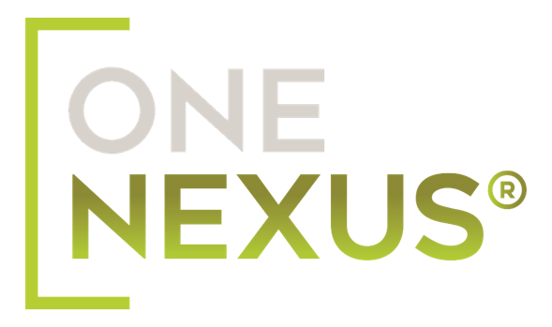
Motive | Dual-facing cameras, real-time alerts | $35.00
AMS | Customized tracking, alert triggers | $25.00
Rand McNally | Night mode video, mileage/service alerts | $19.95
Switchboard | Temperature monitoring, exact arrival times | $35.00
Webfleet Solutions | Traffic avoidance, driver scoring model | $23.95
Omnitracs | Critical event video, detailed log history | Available on request
Brickhouse Security | Asset protection, theft recovery | Available on request
Geotab | Driver fatigue alerts, engine diagnostics | $20.00
Linxup | Tamper-proof cameras, easy installation | $22.99
NexTraq | Evidence protection, video clip payout lock | $34.95
Zubie | Driver scorecards, open API | Available on request
Enterprise Fleet Management | Fuel efficiency analytics, compliance simplification | $25.00
Lytx | Searchable footage library, dual-channel cameras | Available on request
Fleetio | Telematics/GPS bundling, temperature monitoring | $25.00
EROAD | Driver coaching tools, ELD compliant | $25.00
Automile | Maintenance scheduling, accident reconstruction | $19.90
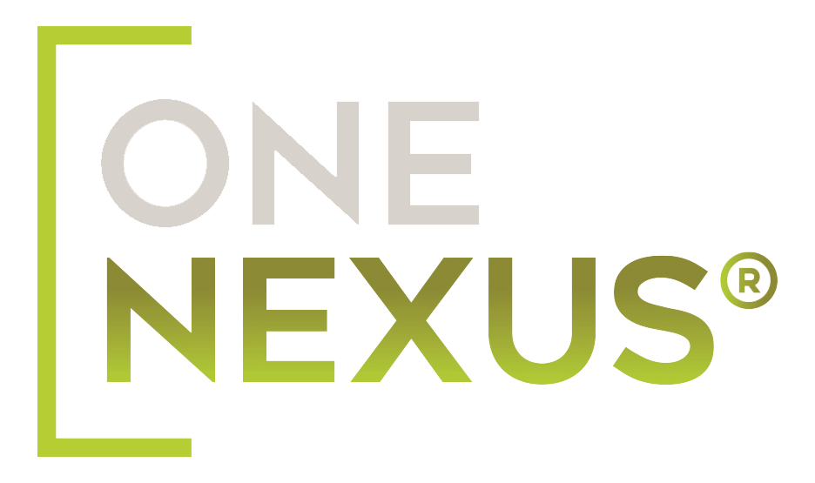
Element Fleet Management | Enhanced asset security, fuel analysis | $15.00
FleetLocate | GM OnStar telematics delivery system | Available on request
ClearPath GPS | Video event triggers, driver analytics | $25.00
Onfleet | Custom messaging, real-time tracking | Available on request
Coretex | Savings calculator, voice driving alerts | Available on request
Donlen | Video coaching, predictive maintenance | No
Zonar Systems | Distracted driving alerts, fuel efficiency guarantees | Available on request
Pedigree Technologies | Maintenance tracking, accident recording | $25.00
Mix Telematics | Cargo and side cameras, sharp image clarity | $35.00
Quartix | Interactive map with live traffic, stop analysis | $14.99
GPS Trackit | Third party dash cams, professional install | $23.95
Track Your Truck | Safe driving leaderboards, route planning | $19.99
Gorilla Safety | Driver safety coaching, accident reduction | $19.99
CarrierWeb | Maintenance tracking, accident recording | Available on request
Merchants Fleet | Safety and performance metrics, emissions tracking | Available on request
National Fleet Tracking | IFTA reporting, theft detection alerts | Available on request
Trimble Fleet Management | Predictive maintenance, crash mitigation | $40.00
Bridgehaul | Compliance assurance, asset monitoring | $17.50
EAGLEi GPS | Temperature tracking, trailer insights | Available on request
Titan GPS | Video evidence storage, driver analytics | $16.50
Blue Ink Tech | Route planning, driver behavior improvement coaching | Available on request
OneStepGPS.com | Geofence entry/exit logging, after hours driving alerts | $13.95
ATTI | Engine/system diagnostic trouble code logging, driver scoring | $17.00
Transflo | Video event documentation, DVIR automation | $31.00
Fleet Complete | Impact alerts, driver coaching tools | Available on request
AT&T Fleet Complete | Accident reconstruction, temperature monitoring | Available on request
Chevin FleetWave | Predictive analytics, emissions tracking | Available on request
Rhino Fleet Tracking | Maintenance tracking, accident recording | $16.95
GoFleet | Trailer insights, driver analytics | Available on request

